EV
Expo Area NO. | Exhibition Date | Duration | Venue | Location | Specifications | Unit Price (USD/Booth) | Quantity (Booths) | Booth Rendering
1 | Nov 7 | 1 day | Snow & Ice Auditorium, outside the Thaiwoo Resort Town | Snow & Ice Auditorium (Taizicheng Conference Center) – Main Forum Entrance Lobby | Standard Booth: Dimensions: W × H × D = 2 × 2 × 1.5 m Includes: 1 desk, 1 power socket, 2 folding chairs, The exhibition area is finished with standard hotel flooring, 2 exhibitor staff badges per booth (badge holders must be full-time employees of the company) | 2,952 | 10 | 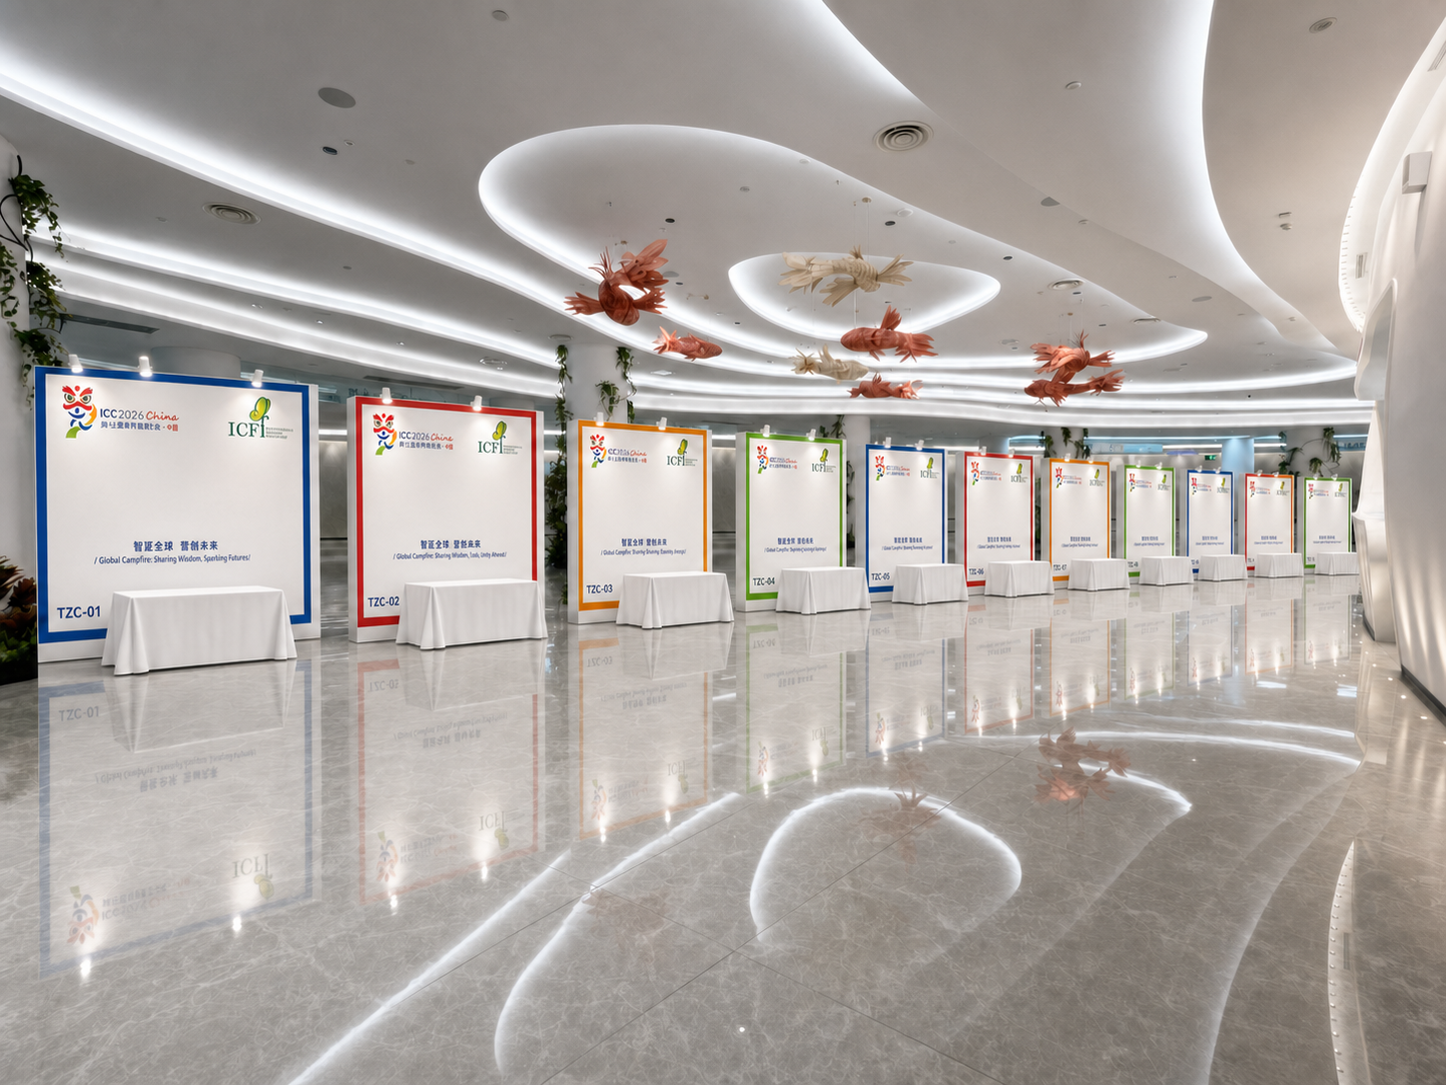
2 | Nov 7-9 | 3 days | Thaiwoo Hotel 1st Floor, Thaiwoo Resort Town | Hotel Lobby | Custom Booth Area: Location: Hotel Lobby Feature Wall Area (8 m × 2 m) Package Includes: Raw exhibition space (space only) Booth construction is subject to the venue layout and regulations of each hotel. Electricity supply and other construction-related services shall be arranged in accordance with the Exhibitor Manual. Five (5) Exhibitor Staff Badges (badge holders must be employees of the exhibiting company). | 14,756 | 1 | 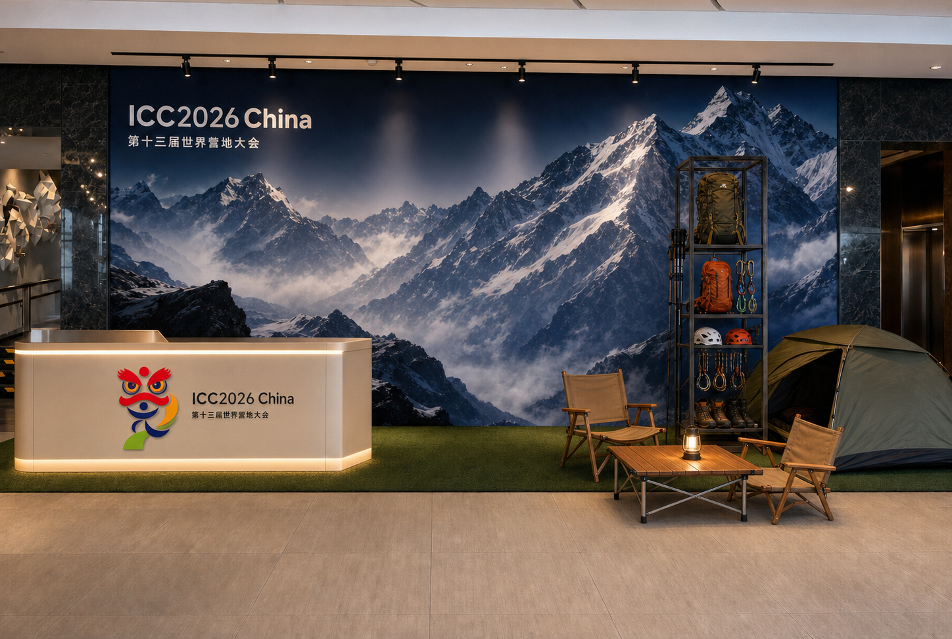
3 | Nov 7-9 | 3 days | Thaiwoo Hotel 1st Floor, Thaiwoo Resort Town | Camp & Culture Workshop, Youth Debate & TED Theater Thaiwoo Hotel Main Entrance Lobby Corridor, connecting to the 2nd-floor conference area and the resort commercial street | Standard Booth: Dimensions: W × H × D = 2 × 2 × 1.5 m Includes: 1 desk, 1 power socket, 2 folding chairs, The exhibition area is finished with standard hotel flooring, 2 exhibitor staff badges per booth (badge holders must be full-time employees of the company) | 2,952 | 10 | 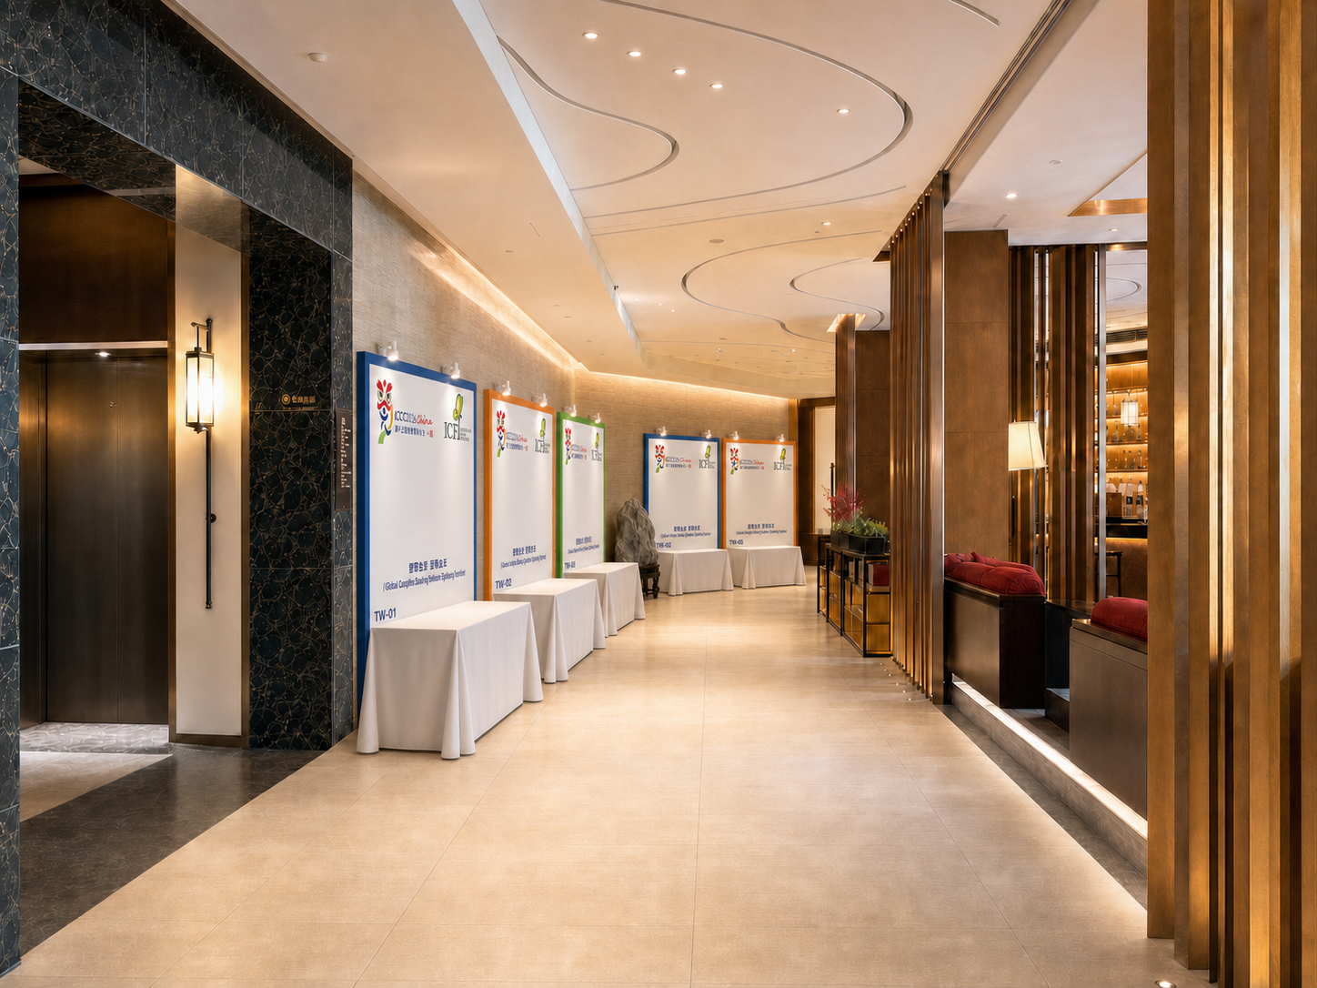
4 | Nov 7-9 | 3 days | Thaiwoo Hotel 2nd Floor, Thaiwoo Resort Town | Outside the Camps & Culture Workshop venue | Standard Booth: Dimensions: W × H × D = 2 × 2 × 1.5 m Includes: 1 desk, 1 power socket, 2 folding chairs, The exhibition area is finished with standard hotel flooring, 2 exhibitor staff badges per booth (badge holders must be full-time employees of the company) | 2,952 | 6 | 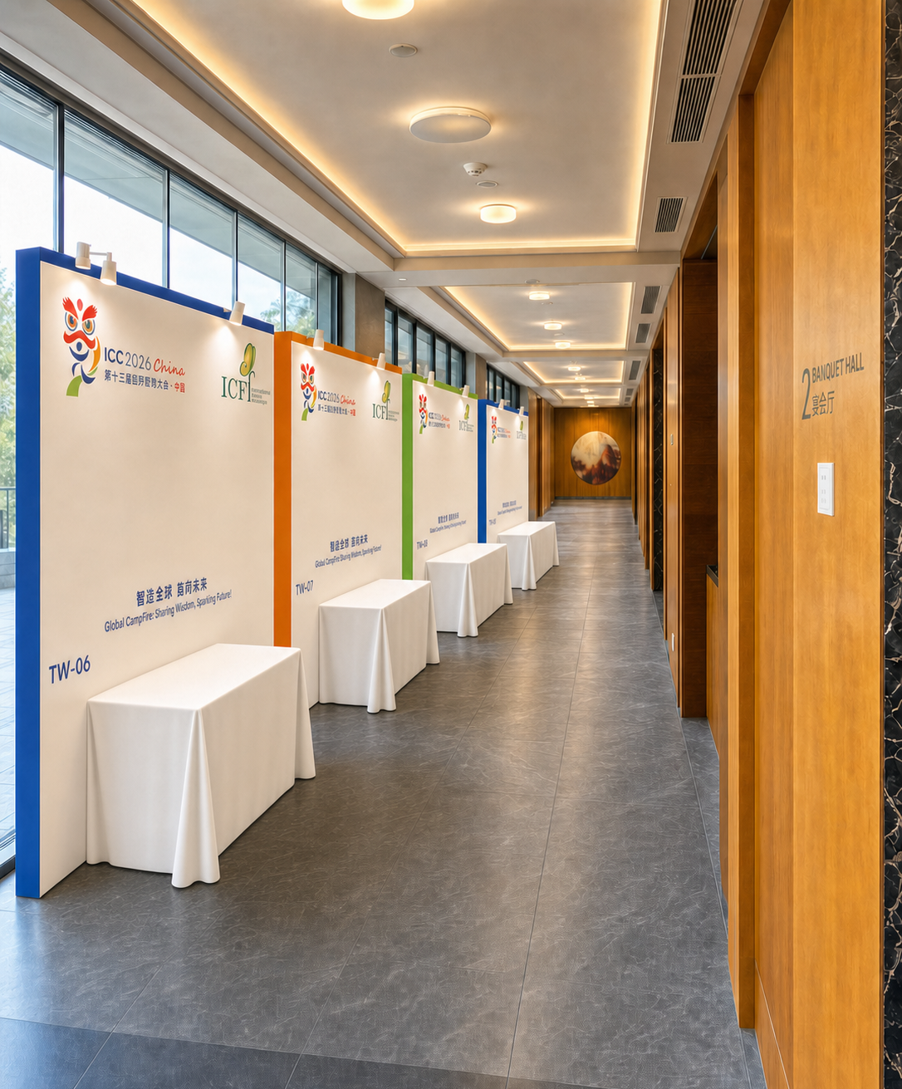
5 | Nov 7-9 | 3 days | Benlia Hotel, 1st Floor, Thaiwoo Resort Town | Camp & Education & Technology Workshop, Closing Gala Dinner Area Benlia Hotel, 1st Floor, leading to the outdoor main ski gondola lift | Standard Booth: Dimensions: W × H × D = 2 × 2 × 1.5 m Includes: 1 desk, 1 power socket, 2 folding chairs, The exhibition area is finished with standard hotel flooring, 2 exhibitor staff badges per booth (badge holders must be full-time employees of the company) | 2,952 | 10 | 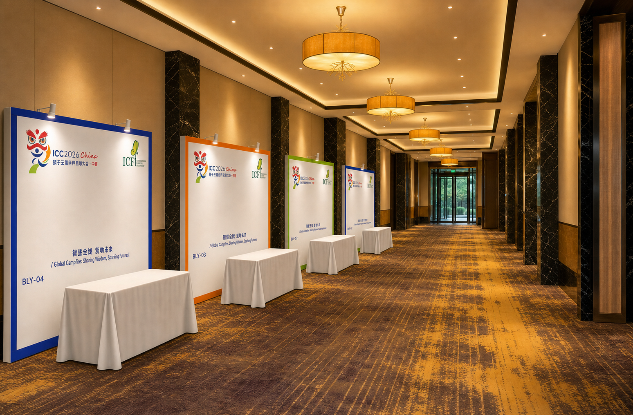
6 | Nov 7-9 | 3 days | Benlia Hotel, 2nd Floor,Thaiwoo Resort Town | Camp & Education & Technology Workshop (Benlia Hotel, 2nd Floor – Reception Desk Area at Main Entrance) | Standard Booth: Dimensions: W × H × D = 2 × 2 × 1.5 m Includes: 1 desk, 1 power socket, 2 folding chairs, The exhibition area is finished with standard hotel flooring, 2 exhibitor staff badges per booth (badge holders must be full-time employees of the company) | 2,952 | 12 | 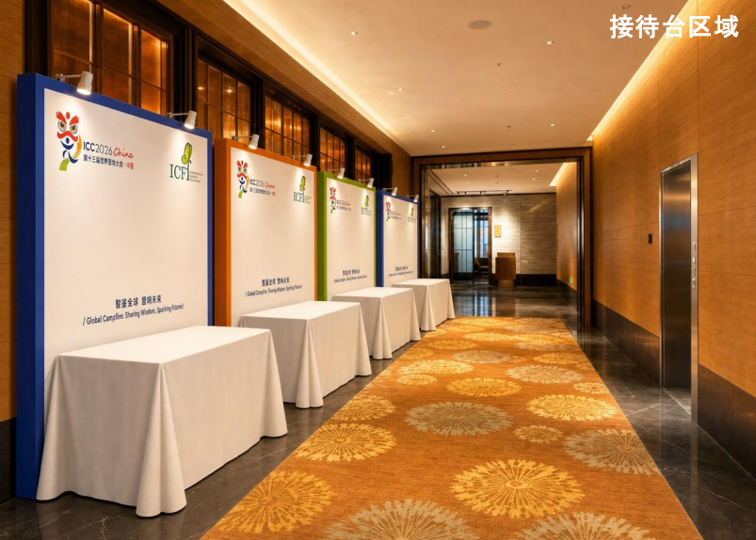 | 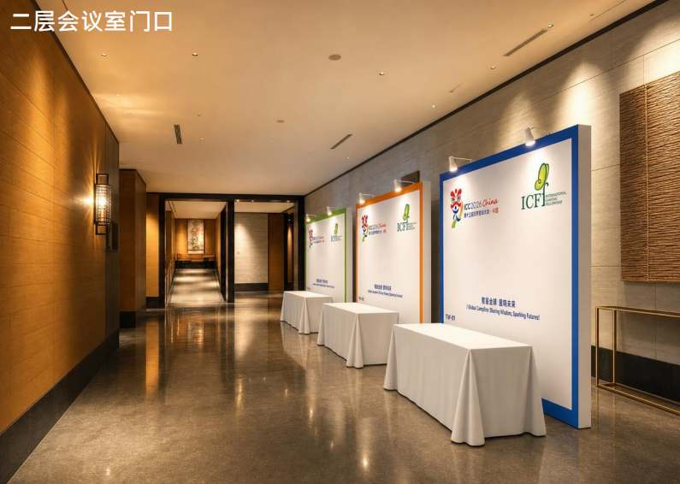
7 | Nov 7-9 | 3 days | 2160 Mountain Chalet, 1st Floor,Thaiwoo Resort Town | Entrance of the Camps, Industry Economy & Global Insight Workshop (Top cable car station, 2160 Mountain Chalet, 1st Floor) | Standard Booth: Dimensions: W × H × D = 2 × 2 × 1.5 m Includes: 1 desk, 1 power socket, 2 folding chairs, The exhibition area is finished with standard hotel flooring, 2 exhibitor staff badges per booth (badge holders must be full-time employees of the company) | 2,952 | 20 | 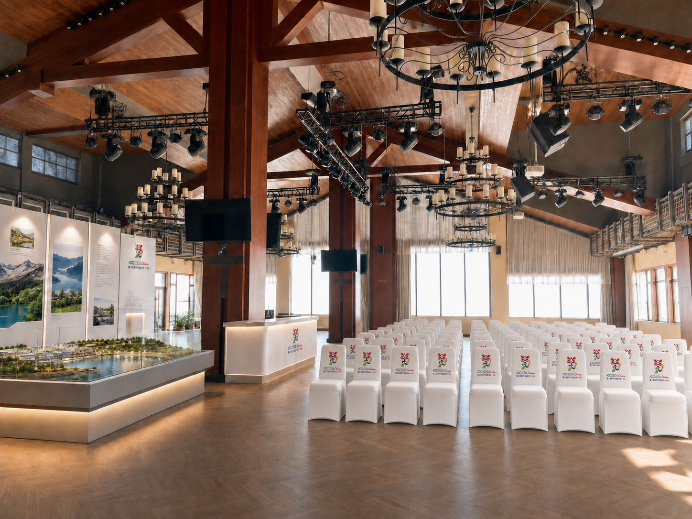 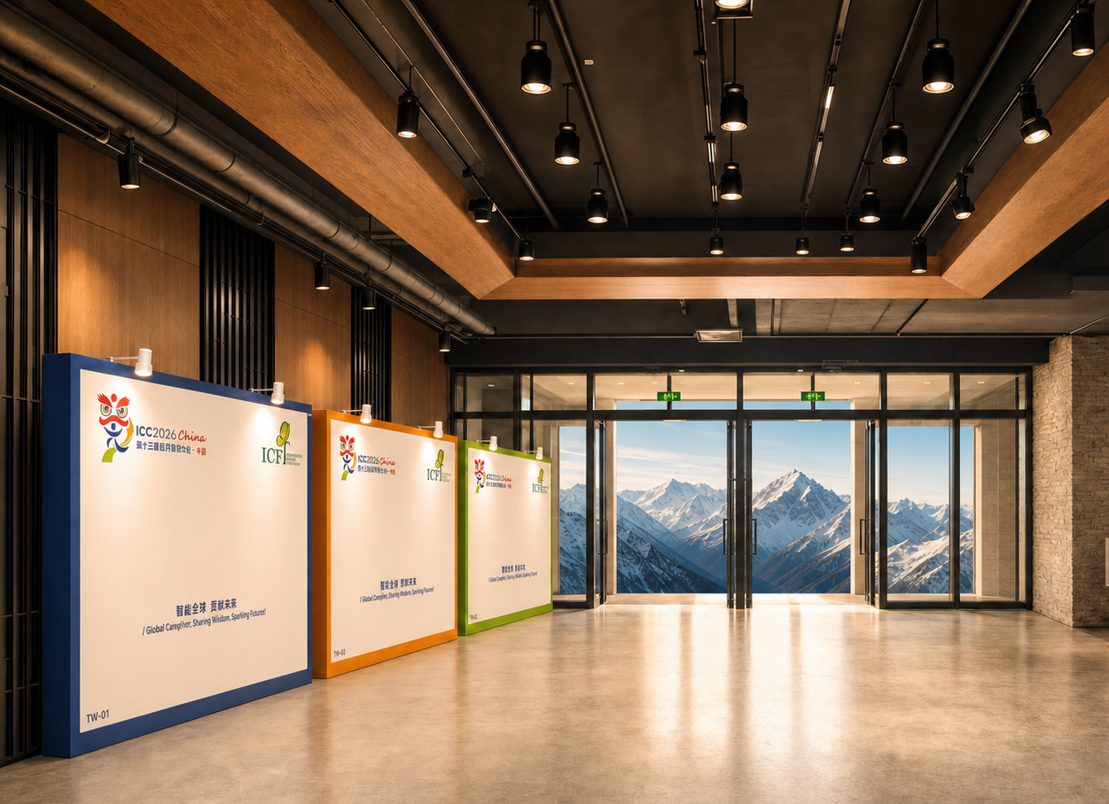 | 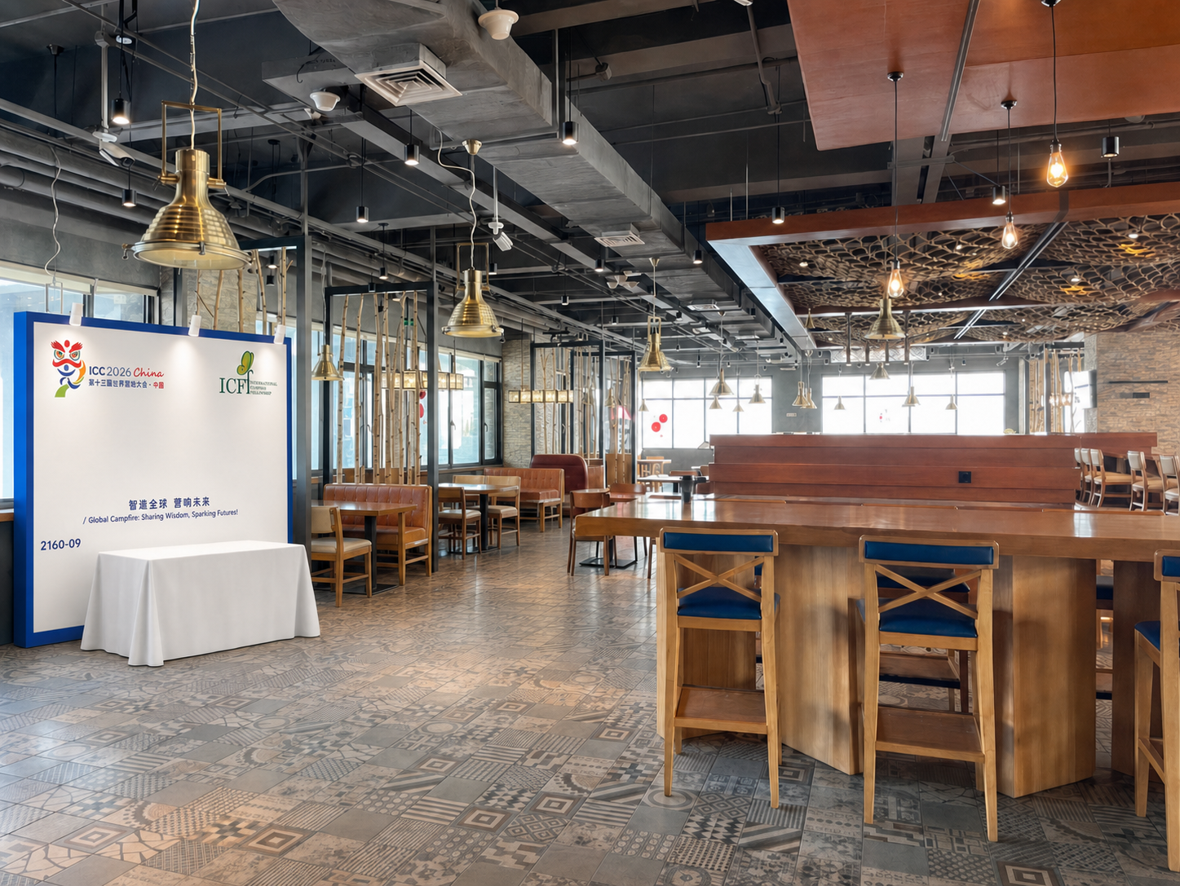
8 | Nov 7-9 | 3 days | 2160 Mountain Chalet, 2nd Floor,Thaiwoo Resort Town | Entrance of the Camps, Industry Economy & Global Insight Workshop (Top cable car station, 2160 Mountain Chalet, 2nd Floor) | Standard Booth: Dimensions: W × H × D = 2 × 2 × 1.5 m Includes: 1 desk, 1 power socket, 2 folding chairs, The exhibition area is finished with standard hotel flooring, 2 exhibitor staff badges per booth (badge holders must be full-time employees of the company) | 2,952 | 6 | 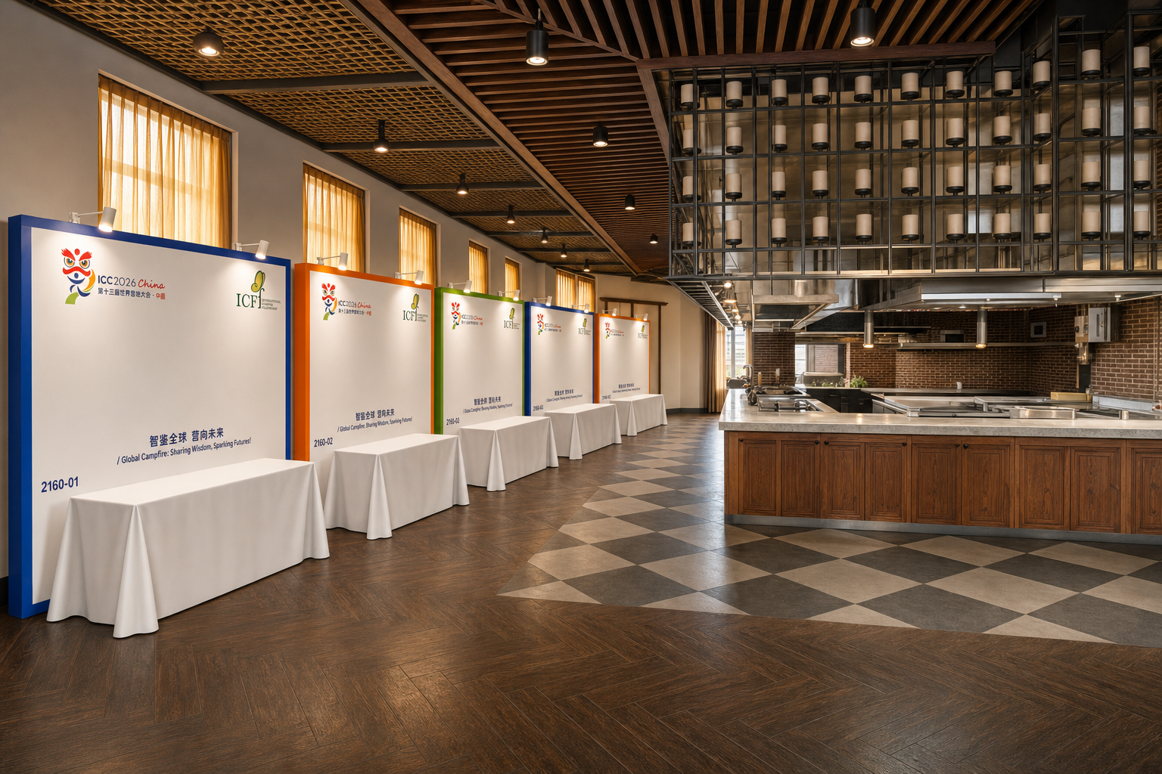
9 | Nov 7-9 | 3 days | 2160 Mountain Chalet, 2nd Floor,Thaiwoo Resort Town | Camps, Industry Economy & Global Insight Workshop Venue (Main cable car top station, 2160 Mountain Chalet, 2nd Floor) | Custom Booth Area Booth Size: 10 m × 8 m Package Includes: Raw exhibition space (space only) Booth construction is subject to the venue layout and regulations of the venue. Electricity supply and other construction-related services shall be arranged in accordance with the Exhibitor Manual. Ten (10) Exhibitor Staff Badges, including cable car access during the exhibition period (badge holders must be employees of the exhibiting company). | 29,512 | 2
10 | Nov 7-9 | 3 days | Hyatt Hotel, 1st Floor,Thaiwoo Resort Town | Outside the Camp Venture Capital & Women in Camping venue (Conference Room, Hyatt Hotel, 1st Floor) | Standard Booth: Dimensions: W × H × D = 2 × 2 × 1.5 m Includes: 1 desk, 1 power socket, 2 folding chairs, The exhibition area is finished with standard hotel flooring, 2 exhibitor staff badges per booth (badge holders must be full-time employees of the company) | 2,952 | 8 | 